Cover

Cool experiments and tools for hobbyists and
future professionals



Tutorial on YouTube!

Cool Tool: | Synthesis of Loop Antennas

 |  | Impedance Transformation
 |  | plus
 |  | Wire Loop Antenna
 |  | Planar Structure Antenna
 |  | Planar Structure Antenna on Substrate
 |  | plus
 |  | Thick Conductor Antenna
 |  | Two Plate Waveguide Matching Antenna

Version 4.2 (28.02.2024)

Further distribution without changes is permitted

Waveguides
Parallel Wires Waveguide
input

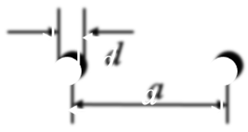
 | Wire distance |  | a = | 6 | mm
 | Wire diameter |  | d = | 1 | mm
 | Relative effective permitivity |  | ℇr = | 1

output

 |  |  | ZL = | 297.34664763 | Ohm

Two Bands Waveguide
input

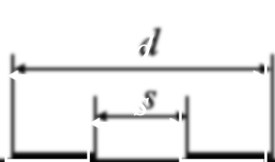
 |  |  | d = | 12.5 | mm
 | s/d = | 0.28 | s = | 3.5 | mm
 | (s/d min = 0,173) |  | ℇr = | 1.12

output

 |  |  | ZL = | 212.16003563 | Ohm

Complex Impedance Transform.
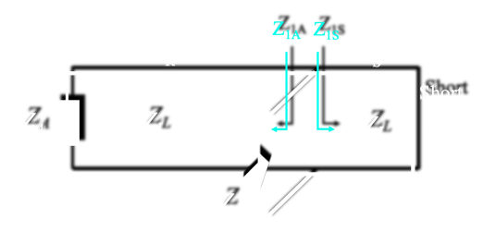
Complex Impedance Transformation
input
% frequency deviation
 | Frequency deviation step for graphic |  |  | 3.0 | %
 | Frequency |  | f = | 2,450.0 | MHz
 | Waveguide impedance |  | ZL = | 346.7 | Ohm
 | Terminating impedance |  | ZA = | 2,500.0 | Ohm |  |  |  |  |  | a = | 1.5581944916 | 1.7157625237 | 1.8983653066 | 2.1133418077 | 2.3711778786 | 2.6874000002 | 3.0860233166 | 3.6062781664 | 4.3169369157 | 5.3505844967 | 7.0000075376 | 10.064926579 | 17.786611255 | 75.206407709 | -33.807026874 | -13.780752744 | -8.6341822691 | -6.2694203558 | -4.906966044 | -4.0183148815 | -3.3909603677
 | Short impedance |  | ZS = | 0.0 | Ohm |  |  |  |  |  | b = | 0.099655783726 | 0.10395681795 | 0.10826166059 | 0.11257047294 | 0.11688341688 | 0.12120065489 | 0.12552235011 | 0.1298486663 | 0.13417976794 | 0.13851582021 | 0.14285698903 | 0.14720344107 | 0.15155534381 | 0.15591286552 | 0.16027617535 | 0.16464544328 | 0.16902084021 | 0.17340253796 | 0.17779070931 | 0.182185528 | 0.1865871688
 | Total waveguide length |  | L = | 0.0306 | m |  |  |  |  |  | c = | 0.19425136197 | 0.18457542838 | 0.17621436766 | 0.16899652552 | 0.16278202068 | 0.15745660432 | 0.15292694381 | 0.14911698275 | 0.14596512501 | 0.14342205823 | 0.14144908196 | 0.14001684104 | 0.13910439268 | 0.13869855577 | 0.13879350796 | 0.13939060926 | 0.14049844315 | 0.14213307731 | 0.14431855742 | 0.14708766009 | 0.15048294547
 | Feedpoint to Short |  | LS = | 0.0028 | m |  |  | 50.00 | + j | 0.00 | d = | -0.62448063637 | -0.56791314626 | -0.51389664342 | -0.46209490873 | -0.41221128621 | -0.36398183471 | -0.31716964867 | -0.27156010447 | -0.22695683932 | -0.18317830829 | -0.14005479461 | -0.097425771123 | -0.055137527466 | -0.013040990465 | 0.029010326228 | 0.071162301065 | 0.11356216684 | 0.15636051016 | 0.19971336384 | 0.24378445189 | 0.28874765412

output |  |  |  |  |  |  |  |  |  |  |  |  |  |  |  |  |  |  |  |  |  | Frequ var
 |  |  |  |  |  |  |  |  |  |  |  |  |  |  |  |  |  |  |  |  |  | 3
 | Wavelength |  | 𝛌 = | 0.1224 | m | a = | 7.0000075376 |  |  |  | Deviation | -30 | -27 | -24 | -21 | -18 | -15 | -12 | -9 | -6 | -3 | 0 | 3 | 6 | 9 | 12 | 15 | 18 | 21 | 24 | 27 | 30
 | Relative wavelength |  | 𝛌 = | 0.2500 |  | b = | 0.14285698903 |  |  |  |  | 1715 | 1788.5 | 1862 | 1935.5 | 2009 | 2082.5 | 2156 | 2229.5 | 2303 | 2376.5 | 2450 | 2523.5 | 2597 | 2670.5 | 2744 | 2817.5 | 2891 | 2964.5 | 3038 | 3111.5 | 3185
 |  |  |  |  |  | c = | 0.14144908196 |  |  |  |  | 346.68627311 | 346.68627311 | 346.68627311 | 346.68627311 | 346.68627311 | 346.68627311 | 346.68627311 | 346.68627311 | 346.68627311 | 346.68627311 | 346.68627311 | 346.68627311 | 346.68627311 | 346.68627311 | 346.68627311 | 346.68627311 | 346.68627311 | 346.68627311 | 346.68627311 | 346.68627311 | 346.68627311
towards antenna |  |  |  |  |  | d = | -0.14005479461 |  |  |  |  | 2500 | 2500 | 2500 | 2500 | 2500 | 2500 | 2500 | 2500 | 2500 | 2500 | 2500 | 2500 | 2500 | 2500 | 2500 | 2500 | 2500 | 2500 | 2500 | 2500 | 2500
 | Waveguide length |  | LA = | 0.0278 | m |  |  |  |  |  |  | 0.0 | 0 | 0 | 0 | 0 | 0 | 0 | 0 | 0 | 0 | 0 | 0 | 0 | 0 | 0 | 0 | 0 | 0 | 0 | 0 | 0
 | Relative waveguide length |  |  | 0.2274 | 𝛌 |  |  |  |  |  |  | 0.030612244898 | 0.030612244898 | 0.030612244898 | 0.030612244898 | 0.030612244898 | 0.030612244898 | 0.030612244898 | 0.030612244898 | 0.030612244898 | 0.030612244898 | 0.030612244898 | 0.030612244898 | 0.030612244898 | 0.030612244898 | 0.030612244898 | 0.030612244898 | 0.030612244898 | 0.030612244898 | 0.030612244898 | 0.030612244898 | 0.030612244898
 | Transformed impedance |  | Re (Z1A) = | 49.04 | Ohm |  |  |  |  |  | ok | 0.0027653379989 | 0.0027653379989 | 0.0027653379989 | 0.0027653379989 | 0.0027653379989 | 0.0027653379989 | 0.0027653379989 | 0.0027653379989 | 0.0027653379989 | 0.0027653379989 | 0.0027653379989 | 0.0027653379989 | 0.0027653379989 | 0.0027653379989 | 0.0027653379989 | 0.0027653379989 | 0.0027653379989 | 0.0027653379989 | 0.0027653379989 | 0.0027653379989 | 0.0027653379989
 |  |  | j Im (Z1A) = | -48.56 | Ohm

towards short |  |  |  |  |  |  |  |  |  |  |  | 0.1749271137 | 0.16773832821 | 0.16111707841 | 0.15499870834 | 0.14932802389 | 0.14405762305 | 0.13914656772 | 0.13455931823 | 0.13026487191 | 0.12623606143 | 0.12244897959 | 0.11888250446 | 0.11551790528 | 0.11233851339 | 0.10932944606 | 0.10647737356 | 0.10377032169 | 0.10119750379 | 0.09874917709 | 0.096416519364 | 0.094191522763
 | Waveguide length |  | LS = | 0.0028 | m |  |  |  |  |  |  | 0.175 | 0.1825 | 0.19 | 0.1975 | 0.205 | 0.2125 | 0.22 | 0.2275 | 0.235 | 0.2425 | 0.25 | 0.2575 | 0.265 | 0.2725 | 0.28 | 0.2875 | 0.295 | 0.3025 | 0.31 | 0.3175 | 0.325
 | Relative waveguide length |  |  | 0.0226 | 𝛌
 | Transformed impedance |  | Re (Z1S) = | 0.00 | Ohm
 |  |  | j Im (Z1S) = | 49.53 | Ohm |  |  |  |  |  |  | 0.027846906899 | 0.027846906899 | 0.027846906899 | 0.027846906899 | 0.027846906899 | 0.027846906899 | 0.027846906899 | 0.027846906899 | 0.027846906899 | 0.027846906899 | 0.027846906899 | 0.027846906899 | 0.027846906899 | 0.027846906899 | 0.027846906899 | 0.027846906899 | 0.027846906899 | 0.027846906899 | 0.027846906899 | 0.027846906899 | 0.027846906899
 |  |  |  |  |  |  |  |  |  |  |  | 0.15919148444 | 0.16601397663 | 0.17283646882 | 0.17965896101 | 0.1864814532 | 0.19330394539 | 0.20012643758 | 0.20694892977 | 0.21377142196 | 0.22059391415 | 0.22741640634 | 0.23423889853 | 0.24106139072 | 0.24788388291 | 0.2547063751 | 0.26152886729 | 0.26835135948 | 0.27517385167 | 0.28199634386 | 0.28881883605 | 0.29564132825
 |  |  |  |  |  |  |  |  |  |  |  | 67.344280729 | 63.989767373 | 61.091102393 | 58.588775603 | 56.434292079 | 54.588043328 | 53.017672207 | 51.696811009 | 50.604105193 | 49.722458851 | 49.03845506 | 48.541916795 | 48.225583472 | 48.084885387 | 48.117804007 | 48.32481083 | 48.708881633 | 49.275586858 | 50.033262811 | 50.993272697 | 52.170371531
 | Transformed impedance Z |  | Re (Z) = | 50.00 | Ohm |  |  |  |  |  |  | -216.49886445 | -196.88769213 | -178.16091207 | -160.20196173 | -142.90799455 | -126.18750576 | -109.95836344 | -94.146160544 | -78.682820781 | -63.505405016 | -48.555074776 | -33.776177496 | -19.115423906 | -4.521132382 | 10.057481882 | 24.670992942 | 39.370444387 | 54.20804253 | 69.237881799 | 84.516723069 | 100.10484808
 |  |  | j Im (Z) = | 0.00 | Ohm

 |  |  | Abs = | 50.00 | Ohm
 |  |  |  |  |  |  |  |  |  |  |  | 0.0027653379989 | 0.0027653379989 | 0.0027653379989 | 0.0027653379989 | 0.0027653379989 | 0.0027653379989 | 0.0027653379989 | 0.0027653379989 | 0.0027653379989 | 0.0027653379989 | 0.0027653379989 | 0.0027653379989 | 0.0027653379989 | 0.0027653379989 | 0.0027653379989 | 0.0027653379989 | 0.0027653379989 | 0.0027653379989 | 0.0027653379989 | 0.0027653379989 | 0.0027653379989
 |  |  |  |  |  |  |  |  |  |  |  | 0.01580851556 | 0.01648602337 | 0.01716353118 | 0.017841038989 | 0.018518546799 | 0.019196054609 | 0.019873562419 | 0.020551070228 | 0.021228578038 | 0.021906085848 | 0.022583593658 | 0.023261101467 | 0.023938609277 | 0.024616117087 | 0.025293624896 | 0.025971132706 | 0.026648640516 | 0.027326148326 | 0.028003656135 | 0.028681163945 | 0.029358671755
Solver Application |  |  |  |  |  |  |  |  |  |  |  | 0 | 0 | 0 | 0 | 0 | 0 | 0 | 0 | 0 | 0 | 0 | 0 | 0 | 0 | 0 | 0 | 0 | 0 | 0 | 0 | 0
input |  | output |  |  |  |  |  |  |  |  |  | 34.549292254 | 36.040401778 | 37.53283163 | 39.026637725 | 40.521876186 | 42.018603344 | 43.516875751 | 45.016750188 | 46.518283675 | 48.021533477 | 49.526557115 | 51.033412374 | 52.542157315 | 54.052850279 | 55.5655499 | 57.080315116 | 58.597205171 | 60.116279635 | 61.637598404 | 63.161221717 | 64.687210161

 | to be: Re Z |  |  | 50.00 | Ohm
 | to be: Im Z |  |  | 0.00 | Ohm | These fields are dedicated to work with EXCEL Solver.
 |  |  |  |  |  | Use CRG method, set goal to minimize the cost function. |  |  |  |  | Re(Z) / Ohm | 2.135595722 | 2.7736596026 | 3.6608162006 | 4.9257446726 | 6.7799307034 | 9.5763269576 | 13.895606011 | 20.597454017 | 30.457482637 | 42.2788572 | 49.999894474 | 47.632565542 | 38.667806103 | 29.480374904 | 22.436090315 | 17.458442986 | 13.972045585 | 11.490437977 | 9.6825984295 | 8.3341699847 | 7.3064560499
 | Squared Deviation |  |  | 1.11E-08 |  |  |  |  |  |  | Im(Z) / Ohm | -2.7027754075 | -3.6095329588 | -4.7174895806 | -6.0739096548 | -7.7264291793 | -9.6959622413 | -11.890055127 | -13.856539214 | -14.224793161 | -10.222078203 | 9.0388190648E-05 | 12.163664703 | 20.164114166 | 23.453590103 | 24.118406185 | 23.693466624 | 22.907585602 | 22.059005498 | 21.258821374 | 20.541730722 | 19.912347597
 | Squared Deviation |  |  | 8.17E-09

 | Cost function for solver |  |  | 1.93E-08

Wire Loop
Synthesis of Wire Loop Antenna
input
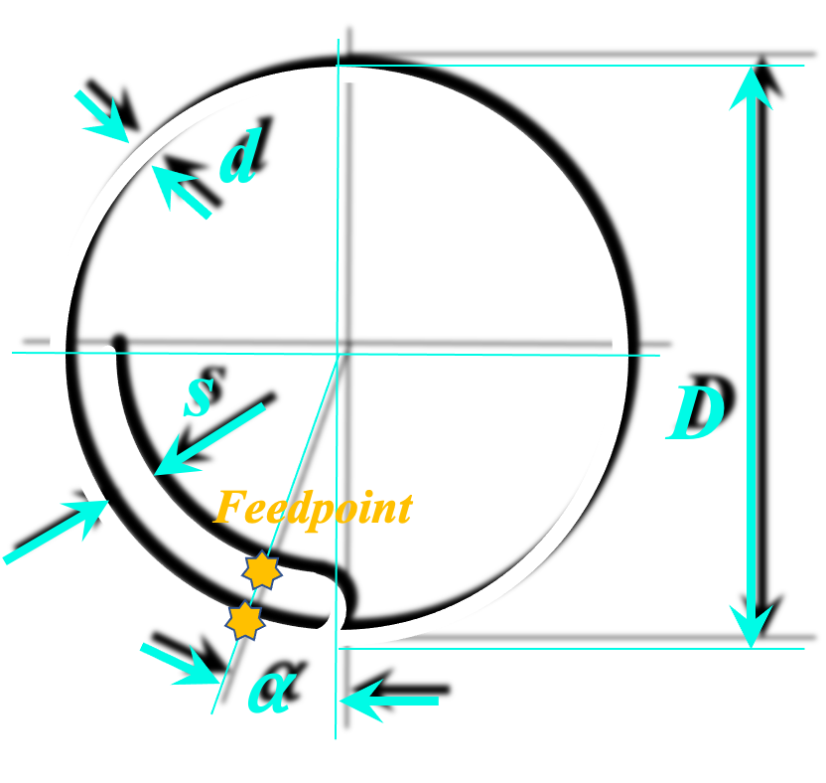
 | Frequency |  | f = | 2,450.0 | MHz
 | Wire diameter |  | d = | 1.000 | mm
 | Wire distance |  | s = | 3.2 | mm
 | Feed angle (feedpoint to short) |  | ⍺ = | 12.5 | °
 | Relative effective permitivity |  | ℇr = | 1.0

output

 | Circumference (1 wavelength) |  | C = | 130.04 | mm
 | Outer diameter |  | D = | 41.39 | mm | fac = | 541.93345087
 | Loop impedance (terminating) |  | ZA = | 1059.01 | Ohm | pot = | 0.17994191273
 | Waveguide imped. (feed netw.) |  | ZL = | 219.95 | Ohm | d/D = | 0.024158225352

output
% frequency deviation
 | Frequency deviation step for graphic |  |  | 3.0 | %
 | Frequency |  | f = | 2,450.0 | MHz
 | Waveguide impedance |  | ZL = | 219.9 | Ohm
 | Terminating impedance |  | ZA = | 1,059.0 | Ohm |  |  |  |  |  | a = | 1.3873080842 | 1.5130531797 | 1.6552476978 | 1.8179174596 | 2.0064960641 | 2.2285018944 | 2.494647165 | 2.820738998 | 3.2311216229 | 3.7653449892 | 4.4922412384 | 5.5431910189 | 7.2040740279 | 10.236979508 | 17.579480248 | 61.455821248 | -41.173938271 | -15.402082632 | -9.4535788733 | -6.8033686139 | -5.2997983569
 | Short impedance |  | ZS = | 0.0 | Ohm |  |  |  |  |  | b = | 0.1545371376 | 0.16127204136 | 0.16802123475 | 0.17478534806 | 0.18156501691 | 0.18836088257 | 0.19517359218 | 0.20200379899 | 0.20885216265 | 0.21571934947 | 0.2226060327 | 0.22951289276 | 0.23644061759 | 0.24338990289 | 0.25036145245 | 0.25735597843 | 0.26437420165 | 0.27141685197 | 0.27848466854 | 0.28557840018 | 0.29269880569
 | Total waveguide length |  | L = | 0.0306 | m |  |  |  |  |  | c = | 0.30868762755 | 0.29289599233 | 0.27910310857 | 0.26705238433 | 0.25653171521 | 0.24736524806 | 0.23940692255 | 0.23253538287 | 0.22664995496 | 0.22166745989 | 0.21751969033 | 0.21415141905 | 0.21151884014 | 0.20958836825 | 0.20833573994 | 0.20774537676 | 0.20780998176 | 0.20853035206 | 0.20991539925 | 0.21198237862 | 0.21475733704
 | Feedpoint to Short |  | LS = | 0.0043 | m |  |  | 50.00 | + j | 0.00 | d = | -0.67460705082 | -0.62071025405 | -0.56911863212 | -0.51956987859 | -0.47182759912 | -0.42567791025 | -0.38092638081 | -0.33739530161 | -0.29492125551 | -0.25335295348 | -0.2125493011 | -0.17237766079 | -0.13271227711 | -0.093432834659 | -0.05442312071 | -0.015569766546 | 0.023238956775 | 0.062114311349 | 0.10116825645 | 0.14051462583 | 0.18027034088

output |  |  |  |  |  |  |  |  |  |  |  |  |  |  |  |  |  |  |  |  |  | Frequ var
 |  |  |  |  |  |  |  |  |  |  |  |  |  |  |  |  |  |  |  |  |  | 3
 | Wavelength |  | 𝛌 = | 0.1224 | m | a = | 4.4922412384 |  |  |  | Deviation | -30 | -27 | -24 | -21 | -18 | -15 | -12 | -9 | -6 | -3 | 0 | 3 | 6 | 9 | 12 | 15 | 18 | 21 | 24 | 27 | 30
 | Relative wavelength |  | 𝛌 = | 0.2500 |  | b = | 0.2226060327 |  |  |  |  | 1715 | 1788.5 | 1862 | 1935.5 | 2009 | 2082.5 | 2156 | 2229.5 | 2303 | 2376.5 | 2450 | 2523.5 | 2597 | 2670.5 | 2744 | 2817.5 | 2891 | 2964.5 | 3038 | 3111.5 | 3185
 |  |  |  |  |  | c = | 0.21751969033 |  |  |  |  | 219.94884401 | 219.94884401 | 219.94884401 | 219.94884401 | 219.94884401 | 219.94884401 | 219.94884401 | 219.94884401 | 219.94884401 | 219.94884401 | 219.94884401 | 219.94884401 | 219.94884401 | 219.94884401 | 219.94884401 | 219.94884401 | 219.94884401 | 219.94884401 | 219.94884401 | 219.94884401 | 219.94884401
towards antenna |  |  |  |  |  | d = | -0.2125493011 |  |  |  |  | 1059.0106565 | 1059.0106565 | 1059.0106565 | 1059.0106565 | 1059.0106565 | 1059.0106565 | 1059.0106565 | 1059.0106565 | 1059.0106565 | 1059.0106565 | 1059.0106565 | 1059.0106565 | 1059.0106565 | 1059.0106565 | 1059.0106565 | 1059.0106565 | 1059.0106565 | 1059.0106565 | 1059.0106565 | 1059.0106565 | 1059.0106565
 | Waveguide length |  | LA = | 0.0263 | m |  |  |  |  |  |  | 0 | 0 | 0 | 0 | 0 | 0 | 0 | 0 | 0 | 0 | 0 | 0 | 0 | 0 | 0 | 0 | 0 | 0 | 0 | 0 | 0
 | Relative waveguide length |  |  | 0.2151 | 𝛌 |  |  |  |  |  |  | 0.030612244898 | 0.030612244898 | 0.030612244898 | 0.030612244898 | 0.030612244898 | 0.030612244898 | 0.030612244898 | 0.030612244898 | 0.030612244898 | 0.030612244898 | 0.030612244898 | 0.030612244898 | 0.030612244898 | 0.030612244898 | 0.030612244898 | 0.030612244898 | 0.030612244898 | 0.030612244898 | 0.030612244898 | 0.030612244898 | 0.030612244898
 | Transformed impedance |  | Re (Z1A) = | 47.84 | Ohm |  |  |  |  |  | ok | 0.0042686264857 | 0.0042686264857 | 0.0042686264857 | 0.0042686264857 | 0.0042686264857 | 0.0042686264857 | 0.0042686264857 | 0.0042686264857 | 0.0042686264857 | 0.0042686264857 | 0.0042686264857 | 0.0042686264857 | 0.0042686264857 | 0.0042686264857 | 0.0042686264857 | 0.0042686264857 | 0.0042686264857 | 0.0042686264857 | 0.0042686264857 | 0.0042686264857 | 0.0042686264857
 |  |  | j Im (Z1A) = | -46.75 | Ohm

towards short |  |  |  |  |  |  |  |  |  |  |  | 0.1749271137 | 0.16773832821 | 0.16111707841 | 0.15499870834 | 0.14932802389 | 0.14405762305 | 0.13914656772 | 0.13455931823 | 0.13026487191 | 0.12623606143 | 0.12244897959 | 0.11888250446 | 0.11551790528 | 0.11233851339 | 0.10932944606 | 0.10647737356 | 0.10377032169 | 0.10119750379 | 0.09874917709 | 0.096416519364 | 0.094191522763
 | Waveguide length |  | LS = | 0.0043 | m |  |  |  |  |  |  | 0.175 | 0.1825 | 0.19 | 0.1975 | 0.205 | 0.2125 | 0.22 | 0.2275 | 0.235 | 0.2425 | 0.25 | 0.2575 | 0.265 | 0.2725 | 0.28 | 0.2875 | 0.295 | 0.3025 | 0.31 | 0.3175 | 0.325
 | Relative waveguide length |  |  | 0.0349 | 𝛌
 | Transformed impedance |  | Re (Z1S) = | 0.00 | Ohm
 |  |  | j Im (Z1S) = | 48.96 | Ohm |  |  |  |  |  |  | 0.026343618412 | 0.026343618412 | 0.026343618412 | 0.026343618412 | 0.026343618412 | 0.026343618412 | 0.026343618412 | 0.026343618412 | 0.026343618412 | 0.026343618412 | 0.026343618412 | 0.026343618412 | 0.026343618412 | 0.026343618412 | 0.026343618412 | 0.026343618412 | 0.026343618412 | 0.026343618412 | 0.026343618412 | 0.026343618412 | 0.026343618412
 |  |  |  |  |  |  |  |  |  |  |  | 0.15059768526 | 0.15705187177 | 0.16350605828 | 0.16996024479 | 0.1764144313 | 0.18286861781 | 0.18932280432 | 0.19577699083 | 0.20223117734 | 0.20868536386 | 0.21513955037 | 0.22159373688 | 0.22804792339 | 0.2345021099 | 0.24095629641 | 0.24741048292 | 0.25386466943 | 0.26031885594 | 0.26677304245 | 0.27322722897 | 0.27968141548
 |  |  |  |  |  |  |  |  |  |  |  | 67.895486841 | 64.422134929 | 61.388406089 | 58.737863225 | 56.423854212 | 54.407700359 | 52.657275863 | 51.145888654 | 49.85139559 | 48.755501558 | 47.843204437 | 47.102357062 | 46.523324376 | 46.098719316 | 45.823205167 | 45.693355467 | 45.707565262 | 45.866009877 | 46.170649406 | 46.625279129 | 47.235628025
 | Transformed impedance Z |  | Re (Z) = | 50.00 | Ohm |  |  |  |  |  |  | -148.37904099 | -136.52450284 | -125.17698524 | -114.27879418 | -103.777935 | -93.627364281 | -83.784317112 | -74.209706563 | -64.867589224 | -55.724689245 | -46.749973072 | -37.914267224 | -29.189911937 | -20.550443976 | -11.970302488 | -3.4245521534 | 5.1113816787 | 13.661970978 | 22.251841056 | 30.906029517 | 39.650253085
 |  |  | j Im (Z) = | 0.00 | Ohm

 |  |  | Abs = | 50.00 | Ohm
 |  |  |  |  |  |  |  |  |  |  |  | 0.0042686264857 | 0.0042686264857 | 0.0042686264857 | 0.0042686264857 | 0.0042686264857 | 0.0042686264857 | 0.0042686264857 | 0.0042686264857 | 0.0042686264857 | 0.0042686264857 | 0.0042686264857 | 0.0042686264857 | 0.0042686264857 | 0.0042686264857 | 0.0042686264857 | 0.0042686264857 | 0.0042686264857 | 0.0042686264857 | 0.0042686264857 | 0.0042686264857 | 0.0042686264857
 |  |  |  |  |  |  |  |  |  |  |  | 0.024402314743 | 0.025448128232 | 0.026493941721 | 0.02753975521 | 0.028585568699 | 0.029631382188 | 0.030677195677 | 0.031723009166 | 0.032768822655 | 0.033814636144 | 0.034860449633 | 0.035906263122 | 0.036952076611 | 0.0379978901 | 0.039043703589 | 0.040089517078 | 0.041135330567 | 0.042181144056 | 0.043226957545 | 0.044272771034 | 0.045318584523
Solver Application |  |  |  |  |  |  |  |  |  |  |  | 0 | 0 | 0 | 0 | 0 | 0 | 0 | 0 | 0 | 0 | 0 | 0 | 0 | 0 | 0 | 0 | 0 | 0 | 0 | 0 | 0
input |  | output |  |  |  |  |  |  |  |  |  | 33.990264773 | 35.471599068 | 36.956076353 | 38.443835256 | 39.935015583 | 41.429758379 | 42.928205981 | 44.430502073 | 45.936791744 | 47.447221548 | 48.961939561 | 50.481095447 | 52.004840515 | 53.533327785 | 55.066712052 | 56.605149955 | 58.14880004 | 59.697822836 | 61.25238092 | 62.812638993 | 64.378763956

 | to be: Re Z |  |  | 50.00 | Ohm
 | to be: Im Z |  |  | 0.00 | Ohm | These fields are dedicated to work with EXCEL Solver.
 |  |  |  |  |  | Use CRG method, set goal to minimize the cost function. |  |  |  |  | Re(Z) / Ohm | 4.4331202931 | 5.6439703497 | 7.2580673849 | 9.4348036526 | 12.395372623 | 16.427478357 | 21.845615411 | 28.825036302 | 36.9947246 | 44.880433058 | 49.999956999 | 50.507038904 | 46.862298207 | 41.117971353 | 35.114815466 | 29.781590005 | 25.373402743 | 21.837143185 | 19.025980945 | 16.788801044 | 14.998112532
 | Squared Deviation |  |  | 1.85E-09 |  |  |  |  |  |  | Im(Z) / Ohm | -0.83300798171 | -1.7104407564 | -2.7434049121 | -3.9407776876 | -5.2849486663 | -6.695774046 | -7.9624938388 | -8.6416929756 | -7.9909323798 | -5.1777743427 | 6.0934830447E-05 | 6.4717542567 | 12.52023369 | 17.077518391 | 20.047465386 | 21.808559785 | 22.782087453 | 23.282104673 | 23.510879921 | 23.590805512 | 23.593958987
 | Squared Deviation |  |  | 3.71E-09

 | Cost function for solver |  |  | 5.56E-09

Planar Band Loop
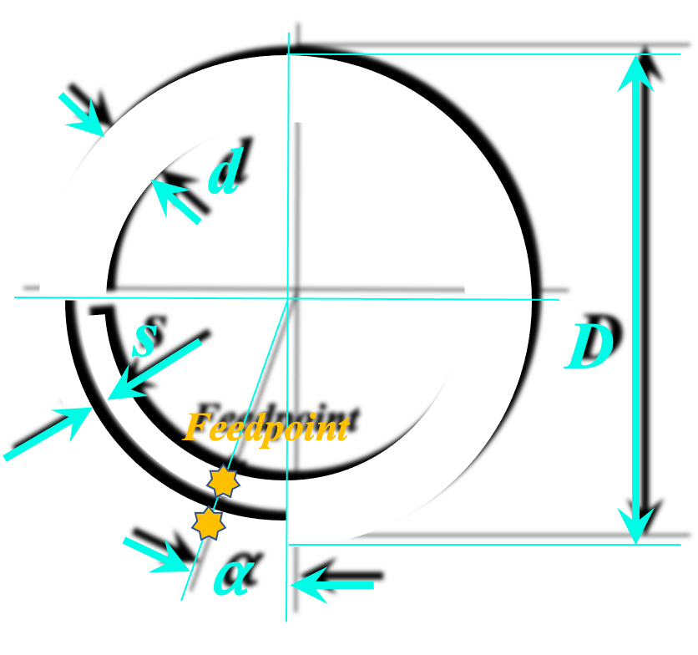
Synthesis of Band Loop Antenna
input

 | Frequency |  | f = | 2,450.0 | MHz
 | Band width |  | d = | 8.00 | mm
 | Band distance |  | s = | 1.17 | mm
 | Feed angle (feedpoint to short) |  | ⍺ = | 15.1 | °

output

 | Circumference (1 wavelength) |  | C = | 135.52 | mm
 | Outer diameter |  | D = | 43.14 | mm | fac = | 541.93345087
 | Loop impedance (terminating) |  | ZA = | 733.87 | Ohm | pot = | 0.17994191273
 | Waveguide imped. (feed netw.) |  | ZL = | 179.68 | Ohm | d/D = | 0.18545684186

output
% frequency deviation
 | Frequency deviation step for graphic |  |  | 3.0 | %
 | Frequency |  | f = | 2,450.0 | MHz
 | Waveguide impedance |  | ZL = | 179.7 | Ohm
 | Terminating impedance |  | ZA = | 733.9 | Ohm |  |  |  |  |  | a = | 1.2989284765 | 1.4099831964 | 1.5340400116 | 1.6739809164 | 1.8335890854 | 2.0179330258 | 2.2339653856 | 2.4914907445 | 2.8047980352 | 3.1955589602 | 3.6983079317 | 4.3716536868 | 5.3236934285 | 6.7782370441 | 9.2862361048 | 14.667770176 | 34.628611087 | -96.786144971 | -20.171961479 | -11.239950613 | -7.7737007272
 | Short impedance |  | ZS = | 0.0 | Ohm |  |  |  |  |  | b = | 0.18699004675 | 0.19520175997 | 0.20343891124 | 0.21170265786 | 0.21999417133 | 0.228314638 | 0.23666525984 | 0.24504725516 | 0.25346185931 | 0.26191032553 | 0.27039392567 | 0.27891395107 | 0.28747171335 | 0.2960685453 | 0.30470580175 | 0.31338486052 | 0.32210712333 | 0.3308740168 | 0.33968699346 | 0.34854753276 | 0.35745714219
 | Total waveguide length |  | L = | 0.0306 | m |  |  |  |  |  | c = | 0.37657123897 | 0.35722038228 | 0.34021190872 | 0.32525226168 | 0.31209639963 | 0.30053920529 | 0.29040863883 | 0.28156026177 | 0.27387284401 | 0.26724483264 | 0.26159151144 | 0.2568427184 | 0.25294101905 | 0.24984025599 | 0.24750441392 | 0.24590675354 | 0.24502918011 | 0.24486182171 | 0.24540280112 | 0.24665819263 | 0.24864216204
 | Feedpoint to Short |  | LS = | 0.0051 | m |  |  | 50.00 | + j | 0.00 | d = | -0.69888477244 | -0.64719859469 | -0.59757466838 | -0.54980682339 | -0.50370455548 | -0.45909194955 | -0.4158064189 | -0.37369737829 | -0.33262492122 | -0.2924585405 | -0.25307591215 | -0.21436174999 | -0.17620673102 | -0.1385064866 | -0.10116065205 | -0.064071965605 | -0.027145406628 | 0.0097126371213 | 0.046595183792 | 0.083595463923 | 0.12080772971

output |  |  |  |  |  |  |  |  |  |  |  |  |  |  |  |  |  |  |  |  |  | Frequ var
 |  |  |  |  |  |  |  |  |  |  |  |  |  |  |  |  |  |  |  |  |  | 3
 | Wavelength |  | 𝛌 = | 0.1224 | m | a = | 3.6983079317 |  |  |  | Deviation | -30 | -27 | -24 | -21 | -18 | -15 | -12 | -9 | -6 | -3 | 0 | 3 | 6 | 9 | 12 | 15 | 18 | 21 | 24 | 27 | 30
 | Relative wavelength |  | 𝛌 = | 0.2500 |  | b = | 0.27039392567 |  |  |  |  | 1715 | 1788.5 | 1862 | 1935.5 | 2009 | 2082.5 | 2156 | 2229.5 | 2303 | 2376.5 | 2450 | 2523.5 | 2597 | 2670.5 | 2744 | 2817.5 | 2891 | 2964.5 | 3038 | 3111.5 | 3185
 |  |  |  |  |  | c = | 0.26159151144 |  |  |  |  | 179.67896382 | 179.67896382 | 179.67896382 | 179.67896382 | 179.67896382 | 179.67896382 | 179.67896382 | 179.67896382 | 179.67896382 | 179.67896382 | 179.67896382 | 179.67896382 | 179.67896382 | 179.67896382 | 179.67896382 | 179.67896382 | 179.67896382 | 179.67896382 | 179.67896382 | 179.67896382 | 179.67896382
towards antenna |  |  |  |  |  | d = | -0.25307591215 |  |  |  |  | 733.87102007 | 733.87102007 | 733.87102007 | 733.87102007 | 733.87102007 | 733.87102007 | 733.87102007 | 733.87102007 | 733.87102007 | 733.87102007 | 733.87102007 | 733.87102007 | 733.87102007 | 733.87102007 | 733.87102007 | 733.87102007 | 733.87102007 | 733.87102007 | 733.87102007 | 733.87102007 | 733.87102007
 | Waveguide length |  | LA = | 0.0255 | m |  |  |  |  |  |  | 0 | 0 | 0 | 0 | 0 | 0 | 0 | 0 | 0 | 0 | 0 | 0 | 0 | 0 | 0 | 0 | 0 | 0 | 0 | 0 | 0
 | Relative waveguide length |  |  | 0.2080 | 𝛌 |  |  |  |  |  |  | 0.030612244898 | 0.030612244898 | 0.030612244898 | 0.030612244898 | 0.030612244898 | 0.030612244898 | 0.030612244898 | 0.030612244898 | 0.030612244898 | 0.030612244898 | 0.030612244898 | 0.030612244898 | 0.030612244898 | 0.030612244898 | 0.030612244898 | 0.030612244898 | 0.030612244898 | 0.030612244898 | 0.030612244898 | 0.030612244898 | 0.030612244898
 | Transformed impedance |  | Re (Z1A) = | 47.00 | Ohm |  |  |  |  |  | ok | 0.0051464658976 | 0.0051464658976 | 0.0051464658976 | 0.0051464658976 | 0.0051464658976 | 0.0051464658976 | 0.0051464658976 | 0.0051464658976 | 0.0051464658976 | 0.0051464658976 | 0.0051464658976 | 0.0051464658976 | 0.0051464658976 | 0.0051464658976 | 0.0051464658976 | 0.0051464658976 | 0.0051464658976 | 0.0051464658976 | 0.0051464658976 | 0.0051464658976 | 0.0051464658976
 |  |  | j Im (Z1A) = | -45.47 | Ohm

towards short |  |  |  |  |  |  |  |  |  |  |  | 0.1749271137 | 0.16773832821 | 0.16111707841 | 0.15499870834 | 0.14932802389 | 0.14405762305 | 0.13914656772 | 0.13455931823 | 0.13026487191 | 0.12623606143 | 0.12244897959 | 0.11888250446 | 0.11551790528 | 0.11233851339 | 0.10932944606 | 0.10647737356 | 0.10377032169 | 0.10119750379 | 0.09874917709 | 0.096416519364 | 0.094191522763
 | Waveguide length |  | LS = | 0.0051 | m |  |  |  |  |  |  | 0.175 | 0.1825 | 0.19 | 0.1975 | 0.205 | 0.2125 | 0.22 | 0.2275 | 0.235 | 0.2425 | 0.25 | 0.2575 | 0.265 | 0.2725 | 0.28 | 0.2875 | 0.295 | 0.3025 | 0.31 | 0.3175 | 0.325
 | Relative waveguide length |  |  | 0.0420 | 𝛌
 | Transformed impedance |  | Re (Z1S) = | 0.00 | Ohm
 |  |  | j Im (Z1S) = | 48.58 | Ohm |  |  |  |  |  |  | 0.025465779 | 0.025465779 | 0.025465779 | 0.025465779 | 0.025465779 | 0.025465779 | 0.025465779 | 0.025465779 | 0.025465779 | 0.025465779 | 0.025465779 | 0.025465779 | 0.025465779 | 0.025465779 | 0.025465779 | 0.025465779 | 0.025465779 | 0.025465779 | 0.025465779 | 0.025465779 | 0.025465779
 |  |  |  |  |  |  |  |  |  |  |  | 0.14557936995 | 0.15181848581 | 0.15805760166 | 0.16429671752 | 0.17053583337 | 0.17677494923 | 0.18301406508 | 0.18925318094 | 0.19549229679 | 0.20173141265 | 0.2079705285 | 0.21420964436 | 0.22044876021 | 0.22668787607 | 0.23292699192 | 0.23916610778 | 0.24540522363 | 0.25164433949 | 0.25788345534 | 0.2641225712 | 0.27036168705
 |  |  |  |  |  |  |  |  |  |  |  | 67.661930021 | 64.184988143 | 61.128923237 | 58.440989357 | 56.077157697 | 54.000572993 | 52.180323309 | 50.590456087 | 49.209188829 | 48.018274615 | 47.002491718 | 46.149233506 | 45.448180209 | 44.891038317 | 44.471336633 | 44.184270672 | 44.026589188 | 43.996518403 | 44.093721024 | 44.319288469 | 44.675766036
 | Transformed impedance Z |  | Re (Z) = | 50.00 | Ohm |  |  |  |  |  |  | -125.57489174 | -116.28797288 | -107.37159722 | -98.788720327 | -90.505112598 | -82.489165793 | -74.711666496 | -67.145557713 | -59.765701185 | -52.548647517 | -45.472417661 | -38.51629712 | -31.660642848 | -24.886701994 | -18.17644114 | -11.51238439 | -4.8774585353 | 1.7451565739 | 8.3721743427 | 15.020346338 | 21.706607696
 |  |  | j Im (Z) = | 0.00 | Ohm

 |  |  | Abs = | 50.00 | Ohm
 |  |  |  |  |  |  |  |  |  |  |  | 0.0051464658976 | 0.0051464658976 | 0.0051464658976 | 0.0051464658976 | 0.0051464658976 | 0.0051464658976 | 0.0051464658976 | 0.0051464658976 | 0.0051464658976 | 0.0051464658976 | 0.0051464658976 | 0.0051464658976 | 0.0051464658976 | 0.0051464658976 | 0.0051464658976 | 0.0051464658976 | 0.0051464658976 | 0.0051464658976 | 0.0051464658976 | 0.0051464658976 | 0.0051464658976
 |  |  |  |  |  |  |  |  |  |  |  | 0.029420630048 | 0.030681514193 | 0.031942398338 | 0.033203282483 | 0.034464166628 | 0.035725050773 | 0.036985934917 | 0.038246819062 | 0.039507703207 | 0.040768587352 | 0.042029471497 | 0.043290355642 | 0.044551239787 | 0.045812123932 | 0.047073008077 | 0.048333892222 | 0.049594776367 | 0.050855660511 | 0.052116544656 | 0.053377428801 | 0.054638312946
Solver Application |  |  |  |  |  |  |  |  |  |  |  | 0 | 0 | 0 | 0 | 0 | 0 | 0 | 0 | 0 | 0 | 0 | 0 | 0 | 0 | 0 | 0 | 0 | 0 | 0 | 0 | 0
input |  | output |  |  |  |  |  |  |  |  |  | 33.598177844 | 35.073649967 | 36.553692772 | 38.038514202 | 39.52832475 | 41.02333758 | 42.52376866 | 44.029836893 | 45.541764248 | 47.059775904 | 48.584100387 | 50.114969723 | 51.652619582 | 53.197289438 | 54.749222728 | 56.308667014 | 57.875874158 | 59.451100493 | 61.034607007 | 62.626659528 | 64.227528919

 | to be: Re Z |  |  | 50.00 | Ohm
 | to be: Im Z |  |  | 0.00 | Ohm | These fields are dedicated to work with EXCEL Solver.
 |  |  |  |  |  | Use CRG method, set goal to minimize the cost function. |  |  |  |  | Re(Z) / Ohm | 5.8582750956 | 7.3685800299 | 9.3326693518 | 11.899899948 | 15.256073843 | 19.604959009 | 25.102421717 | 31.701530334 | 38.897749901 | 45.525558723 | 49.999791666 | 51.188113272 | 49.186530073 | 45.102320338 | 40.20845995 | 35.386485408 | 31.065270889 | 27.373991285 | 24.29306474 | 21.746406672 | 19.646437971
 | Squared Deviation |  |  | 4.34E-08 |  |  |  |  |  |  | Im(Z) / Ohm | 0.92525971428 | 0.13442622361 | -0.78555699282 | -1.8330321613 | -2.9792279117 | -4.141019451 | -5.1387579795 | -5.6502811394 | -5.2120796055 | -3.3679427541 | -4.9851442314E-05 | 4.4156940304 | 9.0134180199 | 13.056189143 | 16.226154967 | 18.546971412 | 20.190025676 | 21.34380955 | 22.162812783 | 22.759498877 | 23.211397861
 | Squared Deviation |  |  | 2.49E-09

 | Cost function for solver |  |  | 4.59E-08

Planar Band Loop Substrate
Synthesis of Band Loop Antenna on Substrate
input
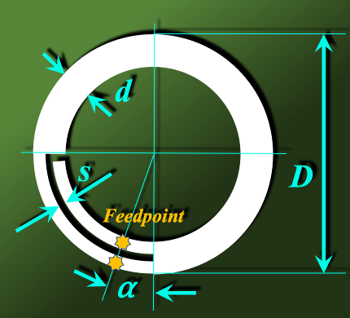
 | Frequency |  | f = | 2,450.0 | MHz |  |  |  |  |  | funktioniert!!! |  |  |  |  |  |  |  | s/d |  |  | 2.28 |  |  |  | k |  |  |  | k1
 | Band width |  | d = | 8.00 | mm |  |  |  |  |  |  |  |  |  |  |  |  |  | 0.173 |  |  |  |  | (12.9) | (12.11) | 0.173 |  | (12.9) | (12.11) | 0.173
 | Band distance |  | s = | 2.79 | mm |  |  |  |  |  | s/mm | d/mm | h/mm | eps_r | s/d | h/d | Z_L0_small | Z_L0_wide | Z_L0 | k | k' | k1 | k1' | K(k')/K(k)_small | K(k')/K(k)_large | K(k')/K(k) |  | K(k1')/K(k1)_small | K(k1')/K(k1)_large | K(k1')/K(k1) | eps_r_eff | Z_L
 | Feed angle (feedpoint to short) |  | ⍺ = | 15.6 | ° |  |  |  |  |  | 2.79 | 8.00 | 1.60 | 4.30 | 0.34911605584 | 0.2 | 242.83001708 | 246.1345388 | 246.1345388 | 0.34911605584 | 0.93707949479 | 0.76457757033 | 0.64453172067 | 1.5524897744 | 1.5316465551 | 1.5316465551 |  | 1.0534313878 | 0.92505905859 | 0.92505905859 | 1.9965402538 | 174.19413356
 | Substrate Permittivity |  | ℇr = | 4.30
 | Substrate height |  | h = | 1.60 | mm

output

 | Effective Permittivity |  | ℇr,eff = | 2.00
 | Circumference (1 wavelength) |  | C = | 99.73 | mm
 | Outer diameter |  | D = | 31.74 | mm | fac = | 541.93345087
 | Loop impedance (terminating) |  | ZA = | 694.47 | Ohm | pot = | 0.17994191273
 | Waveguide imped. (feed netw.) |  | ZL = | 174.19 | Ohm | d/D = | 0.25201158174

output
% frequency deviation
 | Frequency deviation step for graphic |  |  | 3.0 | %
 | Frequency |  | f = | 2,450.0 | MHz
 | Waveguide impedance |  | ZL = | 174.2 | Ohm
 | Terminating impedance |  | ZA = | 694.5 | Ohm |  |  |  |  |  | a = | 1.2847825885 | 1.3935943148 | 1.5149117109 | 1.6514620322 | 1.8068097999 | 1.9857067598 | 2.1946332237 | 2.4426651688 | 2.7429213094 | 3.1150995332 | 3.5901967575 | 4.2199723364 | 5.0978360967 | 6.4113052402 | 8.6004351457 | 12.998783264 | 26.439144904 | -854.9355226 | -24.89691394 | -12.612900172 | -8.4285180331
 | Short impedance |  | ZS = | 0.0 | Ohm |  |  |  |  |  | b = | 0.19248120545 | 0.20094612914 | 0.2094388235 | 0.2179605592 | 0.22651262333 | 0.23509632028 | 0.24371297251 | 0.25236392146 | 0.26105052843 | 0.26977417545 | 0.27853626627 | 0.28733822729 | 0.29618150857 | 0.30506758484 | 0.31399795656 | 0.32297415102 | 0.33199772347 | 0.34107025827 | 0.3501933701 | 0.35936870521 | 0.36859794269
 | Total waveguide length |  | L = | 0.0306 | m |  |  |  |  |  | c = | 0.38799694013 | 0.3680589808 | 0.35051570145 | 0.33506850977 | 0.32146772114 | 0.30950397674 | 0.29900138278 | 0.28981200745 | 0.28181145466 | 0.27489529675 | 0.26897619734 | 0.26398159277 | 0.25985183027 | 0.25653868342 | 0.25400418375 | 0.25221972159 | 0.25116538093 | 0.25082948294 | 0.25120832072 | 0.25230607551 | 0.25413491125
 | Feedpoint to Short |  | LS = | 0.0053 | m |  |  | 50.00 | + j | 0.00 | d = | -0.7025928441 | -0.65132303201 | -0.60206838061 | -0.5546328216 | -0.50883414576 | -0.46450331729 | -0.42148351894 | -0.37962906626 | -0.3388042763 | -0.29888234175 | -0.25974423938 | -0.22127768716 | -0.18337615522 | -0.14593793029 | -0.10886522923 | -0.072063355451 | -0.035439890418 | 0.0010960880983 | 0.037634769909 | 0.074266367442 | 0.11108187105

output |  |  |  |  |  |  |  |  |  |  |  |  |  |  |  |  |  |  |  |  |  | Frequ var
 |  |  |  |  |  |  |  |  |  |  |  |  |  |  |  |  |  |  |  |  |  | 3
 | Wavelength |  | 𝛌 = | 0.1224 | m | a = | 3.5901967575 |  |  |  | Deviation | -30 | -27 | -24 | -21 | -18 | -15 | -12 | -9 | -6 | -3 | 0 | 3 | 6 | 9 | 12 | 15 | 18 | 21 | 24 | 27 | 30
 | Relative wavelength |  | 𝛌 = | 0.2500 |  | b = | 0.27853626627 |  |  |  |  | 1715 | 1788.5 | 1862 | 1935.5 | 2009 | 2082.5 | 2156 | 2229.5 | 2303 | 2376.5 | 2450 | 2523.5 | 2597 | 2670.5 | 2744 | 2817.5 | 2891 | 2964.5 | 3038 | 3111.5 | 3185
 |  |  |  |  |  | c = | 0.26897619734 |  |  |  |  | 174.19413356 | 174.19413356 | 174.19413356 | 174.19413356 | 174.19413356 | 174.19413356 | 174.19413356 | 174.19413356 | 174.19413356 | 174.19413356 | 174.19413356 | 174.19413356 | 174.19413356 | 174.19413356 | 174.19413356 | 174.19413356 | 174.19413356 | 174.19413356 | 174.19413356 | 174.19413356 | 174.19413356
towards antenna |  |  |  |  |  | d = | -0.25974423938 |  |  |  |  | 694.47321281 | 694.47321281 | 694.47321281 | 694.47321281 | 694.47321281 | 694.47321281 | 694.47321281 | 694.47321281 | 694.47321281 | 694.47321281 | 694.47321281 | 694.47321281 | 694.47321281 | 694.47321281 | 694.47321281 | 694.47321281 | 694.47321281 | 694.47321281 | 694.47321281 | 694.47321281 | 694.47321281
 | Waveguide length |  | LA = | 0.0253 | m |  |  |  |  |  |  | 0 | 0 | 0 | 0 | 0 | 0 | 0 | 0 | 0 | 0 | 0 | 0 | 0 | 0 | 0 | 0 | 0 | 0 | 0 | 0 | 0
 | Relative waveguide length |  |  | 0.2068 | 𝛌 |  |  |  |  |  |  | 0.030612244898 | 0.030612244898 | 0.030612244898 | 0.030612244898 | 0.030612244898 | 0.030612244898 | 0.030612244898 | 0.030612244898 | 0.030612244898 | 0.030612244898 | 0.030612244898 | 0.030612244898 | 0.030612244898 | 0.030612244898 | 0.030612244898 | 0.030612244898 | 0.030612244898 | 0.030612244898 | 0.030612244898 | 0.030612244898 | 0.030612244898
 | Transformed impedance |  | Re (Z1A) = | 46.85 | Ohm |  |  |  |  |  | ok | 0.0052940300132 | 0.0052940300132 | 0.0052940300132 | 0.0052940300132 | 0.0052940300132 | 0.0052940300132 | 0.0052940300132 | 0.0052940300132 | 0.0052940300132 | 0.0052940300132 | 0.0052940300132 | 0.0052940300132 | 0.0052940300132 | 0.0052940300132 | 0.0052940300132 | 0.0052940300132 | 0.0052940300132 | 0.0052940300132 | 0.0052940300132 | 0.0052940300132 | 0.0052940300132
 |  |  | j Im (Z1A) = | -45.25 | Ohm

towards short |  |  |  |  |  |  |  |  |  |  |  | 0.1749271137 | 0.16773832821 | 0.16111707841 | 0.15499870834 | 0.14932802389 | 0.14405762305 | 0.13914656772 | 0.13455931823 | 0.13026487191 | 0.12623606143 | 0.12244897959 | 0.11888250446 | 0.11551790528 | 0.11233851339 | 0.10932944606 | 0.10647737356 | 0.10377032169 | 0.10119750379 | 0.09874917709 | 0.096416519364 | 0.094191522763
 | Waveguide length |  | LS = | 0.0053 | m |  |  |  |  |  |  | 0.175 | 0.1825 | 0.19 | 0.1975 | 0.205 | 0.2125 | 0.22 | 0.2275 | 0.235 | 0.2425 | 0.25 | 0.2575 | 0.265 | 0.2725 | 0.28 | 0.2875 | 0.295 | 0.3025 | 0.31 | 0.3175 | 0.325
 | Relative waveguide length |  |  | 0.0432 | 𝛌
 | Transformed impedance |  | Re (Z1S) = | 0.00 | Ohm
 |  |  | j Im (Z1S) = | 48.52 | Ohm |  |  |  |  |  |  | 0.025318214885 | 0.025318214885 | 0.025318214885 | 0.025318214885 | 0.025318214885 | 0.025318214885 | 0.025318214885 | 0.025318214885 | 0.025318214885 | 0.025318214885 | 0.025318214885 | 0.025318214885 | 0.025318214885 | 0.025318214885 | 0.025318214885 | 0.025318214885 | 0.025318214885 | 0.025318214885 | 0.025318214885 | 0.025318214885 | 0.025318214885
 |  |  |  |  |  |  |  |  |  |  |  | 0.14473579509 | 0.15093875774 | 0.15714172038 | 0.16334468303 | 0.16954764568 | 0.17575060832 | 0.18195357097 | 0.18815653362 | 0.19435949627 | 0.20056245891 | 0.20676542156 | 0.21296838421 | 0.21917134685 | 0.2253743095 | 0.23157727215 | 0.23778023479 | 0.24398319744 | 0.25018616009 | 0.25638912273 | 0.26259208538 | 0.26879504803
 |  |  |  |  |  |  |  |  |  |  |  | 67.586790809 | 64.113715259 | 61.057778911 | 58.366968741 | 55.99779115 | 53.913777061 | 52.084286806 | 50.483551532 | 49.08990217 | 47.885148037 | 46.854075643 | 45.984044828 | 45.264664426 | 44.687533682 | 44.246038709 | 43.935195868 | 43.751535911 | 43.693024452 | 43.759015769 | 43.950238214 | 44.268810672
 | Transformed impedance Z |  | Re (Z) = | 50.00 | Ohm |  |  |  |  |  |  | -122.38755172 | -113.45665123 | -104.8767799 | -96.613783801 | -88.635923145 | -80.913752889 | -73.419956389 | -66.12915627 | -59.017717355 | -52.063550556 | -45.245922725 | -38.54527499 | -31.943050473 | -25.421531319 | -18.96368428 | -12.553013764 | -6.1734210048 | 0.19093211659 | 6.5557561359 | 12.936765529 | 19.349810282
 |  |  | j Im (Z) = | 0.00 | Ohm

 |  |  | Abs = | 50.00 | Ohm
 |  |  |  |  |  |  |  |  |  |  |  | 0.0052940300132 | 0.0052940300132 | 0.0052940300132 | 0.0052940300132 | 0.0052940300132 | 0.0052940300132 | 0.0052940300132 | 0.0052940300132 | 0.0052940300132 | 0.0052940300132 | 0.0052940300132 | 0.0052940300132 | 0.0052940300132 | 0.0052940300132 | 0.0052940300132 | 0.0052940300132 | 0.0052940300132 | 0.0052940300132 | 0.0052940300132 | 0.0052940300132 | 0.0052940300132
 |  |  |  |  |  |  |  |  |  |  |  | 0.030264204909 | 0.031561242262 | 0.032858279615 | 0.034155316969 | 0.035452354322 | 0.036749391675 | 0.038046429028 | 0.039343466382 | 0.040640503735 | 0.041937541088 | 0.043234578441 | 0.044531615794 | 0.045828653148 | 0.047125690501 | 0.048422727854 | 0.049719765207 | 0.051016802561 | 0.052313839914 | 0.053610877267 | 0.05490791462 | 0.056204951974
Solver Application |  |  |  |  |  |  |  |  |  |  |  | 0 | 0 | 0 | 0 | 0 | 0 | 0 | 0 | 0 | 0 | 0 | 0 | 0 | 0 | 0 | 0 | 0 | 0 | 0 | 0 | 0
input |  | output |  |  |  |  |  |  |  |  |  | 33.529096809 | 35.003636856 | 36.483014393 | 37.967450759 | 39.457170161 | 40.952399813 | 42.453370083 | 43.96031464 | 45.473470614 | 46.993078749 | 48.519383567 | 50.052633541 | 51.593081261 | 53.140983617 | 54.696601981 | 56.260202398 | 57.832055783 | 59.412438122 | 61.001630682 | 62.599920231 | 64.207599258

 | to be: Re Z |  |  | 50.00 | Ohm
 | to be: Im Z |  |  | 0.00 | Ohm | These fields are dedicated to work with EXCEL Solver.
 |  |  |  |  |  | Use CRG method, set goal to minimize the cost function. |  |  |  |  | Re(Z) / Ohm | 6.0961421864 | 7.6524332024 | 9.6681965221 | 12.28986374 | 15.6961539 | 20.076969978 | 25.566047509 | 32.091591531 | 39.143661928 | 45.606276448 | 49.999825404 | 51.270470486 | 49.48127176 | 45.634831037 | 40.924253839 | 36.208775123 | 31.929974834 | 28.238629666 | 25.133465618 | 22.550825322 | 20.410658686
 | Squared Deviation |  |  | 3.05E-08 |  |  |  |  |  |  | Im(Z) / Ohm | 1.249372322 | 0.47455945196 | -0.42607574821 | -1.4501081318 | -2.5685552524 | -3.700197373 | -4.6729276006 | -5.1836160227 | -4.8032811042 | -3.1138071953 | 2.7456311269E-06 | 4.1263649145 | 8.493200392 | 12.415005892 | 15.56511355 | 17.931017423 | 19.650524145 | 20.890618057 | 21.794653592 | 22.470356559 | 22.993867667
 | Squared Deviation |  |  | 7.54E-12

 | Cost function for solver |  |  | 3.05E-08

Thick Loop
Synthesis of Band Loop Antenna
input

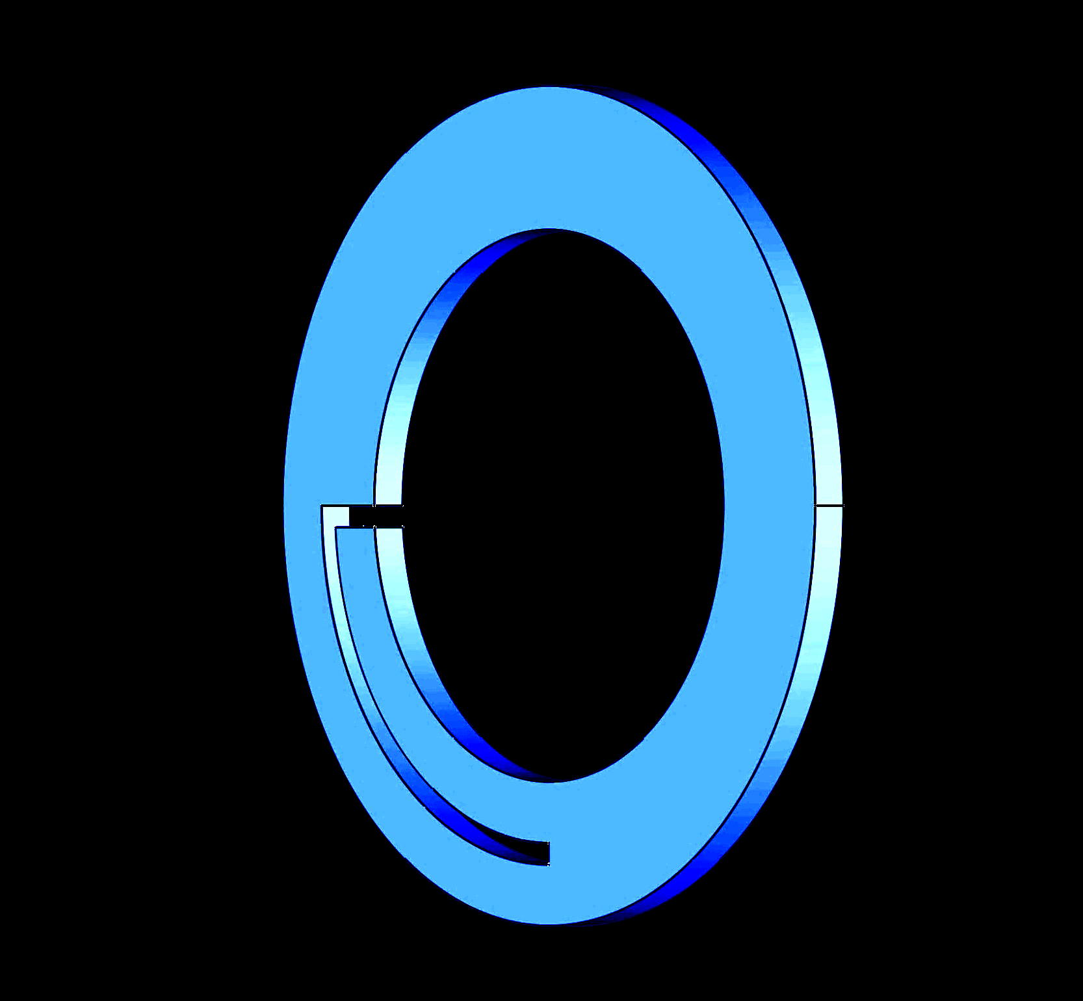
 | Frequency |  | f = | 2,450.0 | MHz
 | Band width |  | d = | 3.00 | mm
 | Thickness |  | t = | 1.00 | mm
 | Band distance |  | s = | 1.48 | mm
 | Feed angle (feedpoint to short) |  | ⍺ = | 14.3 | °

output

 | Circumference (1 wavelength) |  | C = | 127.35 | mm
 | Outer diameter |  | D = | 40.54 | mm | fac = | 541.93345087
 | Loop impedance (terminating) |  | ZA = | 822.11 | Ohm | pot = | 0.17994191273
 | Waveguide imped. (feed netw.) |  | ZL = | 191.42 | Ohm | d/D = | 0.098675964046

output
% frequency deviation
 | Frequency deviation step for graphic |  |  | 3.0 | %
 | Frequency |  | f = | 2,450.0 | MHz
 | Waveguide impedance |  | ZL = | 191.4 | Ohm
 | Terminating impedance |  | ZA = | 822.1 | Ohm |  |  |  |  |  | a = | 1.3273280711 | 1.4429754469 | 1.5726663607 | 1.7196158295 | 1.8880815331 | 2.0838260269 | 2.3148485719 | 2.5925898512 | 2.9340091215 | 3.3653721159 | 3.9296550986 | 4.7023547557 | 5.8294360178 | 7.6345927138 | 11.008165859 | 19.612142816 | 88.520039005 | -35.261545215 | -14.683163196 | -9.2535813745 | -6.7398428732
 | Short impedance |  | ZS = | 0.0 | Ohm |  |  |  |  |  | b = | 0.17622121978 | 0.18393926371 | 0.19167856272 | 0.19944007341 | 0.20722476285 | 0.2150336091 | 0.22286760172 | 0.23072774228 | 0.23861504494 | 0.24653053695 | 0.25447525926 | 0.26245026705 | 0.27045663039 | 0.27849543481 | 0.28656778193 | 0.29467479012 | 0.30281759515 | 0.31099735089 | 0.31921522999 | 0.32747242465 | 0.33577014729
 | Total waveguide length |  | L = | 0.0306 | m |  |  |  |  |  | c = | 0.35409991198 | 0.33591508434 | 0.31996494769 | 0.30596687824 | 0.29368575231 | 0.28292539531 | 0.27352180606 | 0.26533776605 | 0.25825853691 | 0.25218841903 | 0.24704799751 | 0.24277194203 | 0.23930725789 | 0.23661190963 | 0.23465375741 | 0.23340976094 | 0.2328654184 | 0.23301441725 | 0.23385848338 | 0.23540742224 | 0.2376793539
 | Feedpoint to Short |  | LS = | 0.0049 | m |  |  | 50.00 | + j | 0.00 | d = | -0.69127772346 | -0.63880950692 | -0.58849114082 | -0.54009708312 | -0.49342095754 | -0.44827370355 | -0.40448171361 | -0.36188503421 | -0.32033566931 | -0.27969600188 | -0.23983733533 | -0.20063854853 | -0.16198485372 | -0.12376664397 | -0.085878416195 | -0.048217755033 | -0.010684363133 | 0.026820876481 | 0.06439682009 | 0.10214297899 | 0.14016044516

output |  |  |  |  |  |  |  |  |  |  |  |  |  |  |  |  |  |  |  |  |  | Frequ var
 |  |  |  |  |  |  |  |  |  |  |  |  |  |  |  |  |  |  |  |  |  | 3
 | Wavelength |  | 𝛌 = | 0.1224 | m | a = | 3.9296550986 |  |  |  | Deviation | -30 | -27 | -24 | -21 | -18 | -15 | -12 | -9 | -6 | -3 | 0 | 3 | 6 | 9 | 12 | 15 | 18 | 21 | 24 | 27 | 30
 | Relative wavelength |  | 𝛌 = | 0.2500 |  | b = | 0.25447525926 |  |  |  |  | 1715 | 1788.5 | 1862 | 1935.5 | 2009 | 2082.5 | 2156 | 2229.5 | 2303 | 2376.5 | 2450 | 2523.5 | 2597 | 2670.5 | 2744 | 2817.5 | 2891 | 2964.5 | 3038 | 3111.5 | 3185
 |  |  |  |  |  | c = | 0.24704799751 |  |  |  |  | 191.41768939 | 191.41768939 | 191.41768939 | 191.41768939 | 191.41768939 | 191.41768939 | 191.41768939 | 191.41768939 | 191.41768939 | 191.41768939 | 191.41768939 | 191.41768939 | 191.41768939 | 191.41768939 | 191.41768939 | 191.41768939 | 191.41768939 | 191.41768939 | 191.41768939 | 191.41768939 | 191.41768939
towards antenna |  |  |  |  |  | d = | -0.23983733533 |  |  |  |  | 822.1091599 | 822.1091599 | 822.1091599 | 822.1091599 | 822.1091599 | 822.1091599 | 822.1091599 | 822.1091599 | 822.1091599 | 822.1091599 | 822.1091599 | 822.1091599 | 822.1091599 | 822.1091599 | 822.1091599 | 822.1091599 | 822.1091599 | 822.1091599 | 822.1091599 | 822.1091599 | 822.1091599
 | Waveguide length |  | LA = | 0.0258 | m |  |  |  |  |  |  | 0 | 0 | 0 | 0 | 0 | 0 | 0 | 0 | 0 | 0 | 0 | 0 | 0 | 0 | 0 | 0 | 0 | 0 | 0 | 0 | 0
 | Relative waveguide length |  |  | 0.2103 | 𝛌 |  |  |  |  |  |  | 0.030612244898 | 0.030612244898 | 0.030612244898 | 0.030612244898 | 0.030612244898 | 0.030612244898 | 0.030612244898 | 0.030612244898 | 0.030612244898 | 0.030612244898 | 0.030612244898 | 0.030612244898 | 0.030612244898 | 0.030612244898 | 0.030612244898 | 0.030612244898 | 0.030612244898 | 0.030612244898 | 0.030612244898 | 0.030612244898 | 0.030612244898
 | Transformed impedance |  | Re (Z1A) = | 47.29 | Ohm |  |  |  |  |  | ok | 0.004856230787 | 0.004856230787 | 0.004856230787 | 0.004856230787 | 0.004856230787 | 0.004856230787 | 0.004856230787 | 0.004856230787 | 0.004856230787 | 0.004856230787 | 0.004856230787 | 0.004856230787 | 0.004856230787 | 0.004856230787 | 0.004856230787 | 0.004856230787 | 0.004856230787 | 0.004856230787 | 0.004856230787 | 0.004856230787 | 0.004856230787
 |  |  | j Im (Z1A) = | -45.91 | Ohm

towards short |  |  |  |  |  |  |  |  |  |  |  | 0.1749271137 | 0.16773832821 | 0.16111707841 | 0.15499870834 | 0.14932802389 | 0.14405762305 | 0.13914656772 | 0.13455931823 | 0.13026487191 | 0.12623606143 | 0.12244897959 | 0.11888250446 | 0.11551790528 | 0.11233851339 | 0.10932944606 | 0.10647737356 | 0.10377032169 | 0.10119750379 | 0.09874917709 | 0.096416519364 | 0.094191522763
 | Waveguide length |  | LS = | 0.0049 | m |  |  |  |  |  |  | 0.175 | 0.1825 | 0.19 | 0.1975 | 0.205 | 0.2125 | 0.22 | 0.2275 | 0.235 | 0.2425 | 0.25 | 0.2575 | 0.265 | 0.2725 | 0.28 | 0.2875 | 0.295 | 0.3025 | 0.31 | 0.3175 | 0.325
 | Relative waveguide length |  |  | 0.0397 | 𝛌
 | Transformed impedance |  | Re (Z1S) = | 0.00 | Ohm
 |  |  | j Im (Z1S) = | 48.71 | Ohm |  |  |  |  |  |  | 0.025756014111 | 0.025756014111 | 0.025756014111 | 0.025756014111 | 0.025756014111 | 0.025756014111 | 0.025756014111 | 0.025756014111 | 0.025756014111 | 0.025756014111 | 0.025756014111 | 0.025756014111 | 0.025756014111 | 0.025756014111 | 0.025756014111 | 0.025756014111 | 0.025756014111 | 0.025756014111 | 0.025756014111 | 0.025756014111 | 0.025756014111
 |  |  |  |  |  |  |  |  |  |  |  | 0.14723854733 | 0.15354877079 | 0.15985899425 | 0.16616921771 | 0.17247944116 | 0.17878966462 | 0.18509988808 | 0.19141011153 | 0.19772033499 | 0.20403055845 | 0.21034078191 | 0.21665100536 | 0.22296122882 | 0.22927145228 | 0.23558167574 | 0.24189189919 | 0.24820212265 | 0.25451234611 | 0.26082256956 | 0.26713279302 | 0.27344301648
 |  |  |  |  |  |  |  |  |  |  |  | 67.780986963 | 64.300089275 | 61.246950972 | 58.567472862 | 56.216648112 | 54.156925439 | 52.356912112 | 50.790342084 | 49.4352524 | 48.27332446 | 47.289356851 | 46.470844192 | 45.807642358 | 45.291705023 | 44.916880048 | 44.67875712 | 44.574560328 | 44.603081344 | 44.764650531 | 45.06114483 | 45.496032738
 | Transformed impedance Z |  | Re (Z) = | 50.00 | Ohm |  |  |  |  |  |  | -132.32278455 | -122.27943977 | -112.6476144 | -103.38413569 | -94.449499588 | -85.807516546 | -77.424955018 | -69.271197071 | -61.317913647 | -53.53876241 | -45.909108557 | -38.405767362 | -31.006766415 | -23.691125012 | -16.438647996 | -9.2297312557 | -2.0451761034 | 5.1339902033 | 12.326690505 | 19.551973025 | 26.829188556
 |  |  | j Im (Z) = | 0.00 | Ohm

 |  |  | Abs = | 50.00 | Ohm
 |  |  |  |  |  |  |  |  |  |  |  | 0.004856230787 | 0.004856230787 | 0.004856230787 | 0.004856230787 | 0.004856230787 | 0.004856230787 | 0.004856230787 | 0.004856230787 | 0.004856230787 | 0.004856230787 | 0.004856230787 | 0.004856230787 | 0.004856230787 | 0.004856230787 | 0.004856230787 | 0.004856230787 | 0.004856230787 | 0.004856230787 | 0.004856230787 | 0.004856230787 | 0.004856230787
 |  |  |  |  |  |  |  |  |  |  |  | 0.027761452666 | 0.028951229208 | 0.030141005751 | 0.031330782294 | 0.032520558837 | 0.03371033538 | 0.034900111922 | 0.036089888465 | 0.037279665008 | 0.038469441551 | 0.039659218094 | 0.040848994636 | 0.042038771179 | 0.043228547722 | 0.044418324265 | 0.045608100808 | 0.04679787735 | 0.047987653893 | 0.049177430436 | 0.050367206979 | 0.051556983522
Solver Application |  |  |  |  |  |  |  |  |  |  |  | 0 | 0 | 0 | 0 | 0 | 0 | 0 | 0 | 0 | 0 | 0 | 0 | 0 | 0 | 0 | 0 | 0 | 0 | 0 | 0 | 0
input |  | output |  |  |  |  |  |  |  |  |  | 33.73185871 | 35.209228847 | 36.690667582 | 38.176358023 | 39.666485288 | 41.161236594 | 42.660801359 | 44.165371305 | 45.675140556 | 47.190305747 | 48.711066133 | 50.237623697 | 51.770183269 | 53.308952636 | 54.85414267 | 56.405967445 | 57.964644369 | 59.530394312 | 61.103441742 | 62.684014863 | 64.27234576

 | to be: Re Z |  |  | 50.00 | Ohm
 | to be: Im Z |  |  | 0.00 | Ohm | These fields are dedicated to work with EXCEL Solver.
 |  |  |  |  |  | Use CRG method, set goal to minimize the cost function. |  |  |  |  | Re(Z) / Ohm | 5.3878350082 | 6.8038621091 | 8.6602264491 | 11.111167316 | 14.355774519 | 18.625727477 | 24.124468209 | 30.863495296 | 38.360119635 | 45.347300731 | 49.999981767 | 51.00341393 | 48.536628006 | 43.950689794 | 38.689712528 | 33.670898489 | 29.286200135 | 25.614898611 | 22.598414253 | 20.135651934 | 18.124627927
 | Squared Deviation |  |  | 3.32E-10 |  |  |  |  |  |  | Im(Z) / Ohm | 0.30815555685 | -0.51349497467 | -1.4718708912 | -2.5676221621 | -3.7736375534 | -5.0046829 | -6.0674878182 | -6.6005225655 | -6.0626340126 | -3.9055586897 | 3.5779569874E-05 | 5.0275124522 | 10.092514825 | 14.351182838 | 17.521130887 | 19.714744738 | 21.177247531 | 22.140309771 | 22.778546756 | 23.211584922 | 23.517922383
 | Squared Deviation |  |  | 1.28E-09

 | Cost function for solver |  |  | 1.61E-09

Plate Waveguide
Synthesis of Plate Waveguide Loop Antenna
input

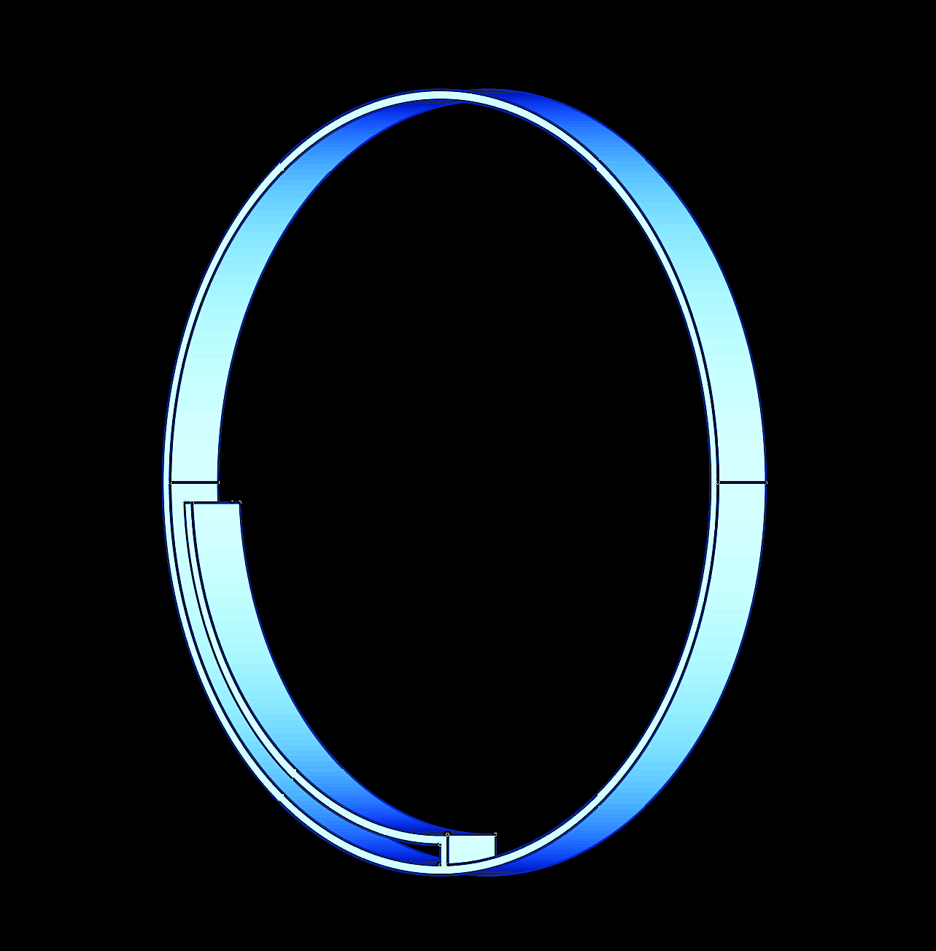
 | Frequency |  | f = | 145.0 | MHz
 | Band width |  | d = | 10.000 | mm
 | Thickness |  | t = | 50.000 | mm
 | Distance |  | s = | 67.9 | mm
 | Feed angle (feedpoint to short) |  | ⍺ = | 14.1 | °
 | Relative effective permitivity |  | ℇr = | 1.0

output

 | Circumference (1 wavelength) |  | C = | 2194.73 | mm
 | Outer diameter |  | D = | 698.60 | mm | fac = | 541.93345087
 | Loop impedance (terminating) |  | ZA = | 842.90 | Ohm | pot = | 0.17994191273
 | Waveguide imped. (feed netw.) |  | ZL = | 194.08 | Ohm | d/D = | 0.085885561778

output
% frequency deviation
 | Frequency deviation step for graphic |  |  | 3.0 | %
 | Frequency |  | f = | 145.0 | MHz
 | Waveguide impedance |  | ZL = | 194.1 | Ohm
 | Terminating impedance |  | ZA = | 842.9 | Ohm |  |  |  |  |  | a = | 1.3334501299 | 1.4501033013 | 1.5810325333 | 1.7295287158 | 1.8999583575 | 2.0982444249 | 2.3326302628 | 2.6149422099 | 2.9627771215 | 3.403515207 | 3.9822221893 | 4.7786860075 | 5.948846854 | 7.8441400175 | 11.457732177 | 21.119762056 | 132.08642796 | -31.071847276 | -13.881248399 | -8.9186347775 | -6.5544122828
 | Short impedance |  | ZS = | 0.0 | Ohm |  |  |  |  |  | b = | 0.17394328324 | 0.18155737854 | 0.18919190813 | 0.19684778964 | 0.20452595049 | 0.21222732838 | 0.21995287176 | 0.22770354034 | 0.23548030555 | 0.24328415111 | 0.2511160735 | 0.25897708254 | 0.26686820193 | 0.27479046979 | 0.2827449393 | 0.29073267923 | 0.29875477464 | 0.30681232741 | 0.31490645698 | 0.32303830097 | 0.33120901588
 | Total waveguide length |  | L = | 0.5172 | m |  |  |  |  |  | c = | 0.34933730979 | 0.331401357 | 0.31567647257 | 0.30188252068 | 0.28978660946 | 0.27919455837 | 0.26994414483 | 0.26189973722 | 0.2549480156 | 0.24899455253 | 0.24396107981 | 0.23978330759 | 0.23640919333 | 0.23379758233 | 0.23191716005 | 0.23074567181 | 0.23026937715 | 0.23048271686 | 0.23138817904 | 0.23299635901 | 0.23532621529
 | Feedpoint to Short |  | LS = | 0.0810 | m |  |  | 50.00 | + j | 0.00 | d = | -0.68961160274 | -0.63698397 | -0.58652387035 | -0.53800174833 | -0.49120794462 | -0.445950682 | -0.40205407543 | -0.35935623367 | -0.31770748421 | -0.27696873204 | -0.23700995028 | -0.19770879325 | -0.15894931911 | -0.1206208069 | -0.082616652567 | -0.044833328102 | -0.0071693883047 | 0.030475489934 | 0.068201450821 | 0.10610940005 | 0.1443019571

output |  |  |  |  |  |  |  |  |  |  |  |  |  |  |  |  |  |  |  |  |  | Frequ var
 |  |  |  |  |  |  |  |  |  |  |  |  |  |  |  |  |  |  |  |  |  | 3
 | Wavelength |  | 𝛌 = | 2.0690 | m | a = | 3.9822221893 |  |  |  | Deviation | -30 | -27 | -24 | -21 | -18 | -15 | -12 | -9 | -6 | -3 | 0 | 3 | 6 | 9 | 12 | 15 | 18 | 21 | 24 | 27 | 30
 | Relative wavelength |  | 𝛌 = | 0.2500 |  | b = | 0.2511160735 |  |  |  |  | 101.5 | 105.85 | 110.2 | 114.55 | 118.9 | 123.25 | 127.6 | 131.95 | 136.3 | 140.65 | 145 | 149.35 | 153.7 | 158.05 | 162.4 | 166.75 | 171.1 | 175.45 | 179.8 | 184.15 | 188.5
 |  |  |  |  |  | c = | 0.24396107981 |  |  |  |  | 194.08457385 | 194.08457385 | 194.08457385 | 194.08457385 | 194.08457385 | 194.08457385 | 194.08457385 | 194.08457385 | 194.08457385 | 194.08457385 | 194.08457385 | 194.08457385 | 194.08457385 | 194.08457385 | 194.08457385 | 194.08457385 | 194.08457385 | 194.08457385 | 194.08457385 | 194.08457385 | 194.08457385
towards antenna |  |  |  |  |  | d = | -0.23700995028 |  |  |  |  | 842.9045615 | 842.9045615 | 842.9045615 | 842.9045615 | 842.9045615 | 842.9045615 | 842.9045615 | 842.9045615 | 842.9045615 | 842.9045615 | 842.9045615 | 842.9045615 | 842.9045615 | 842.9045615 | 842.9045615 | 842.9045615 | 842.9045615 | 842.9045615 | 842.9045615 | 842.9045615 | 842.9045615
 | Waveguide length |  | LA = | 0.4362 | m |  |  |  |  |  |  | 0 | 0 | 0 | 0 | 0 | 0 | 0 | 0 | 0 | 0 | 0 | 0 | 0 | 0 | 0 | 0 | 0 | 0 | 0 | 0 | 0
 | Relative waveguide length |  |  | 0.2108 | 𝛌 |  |  |  |  |  |  | 0.51724137931 | 0.51724137931 | 0.51724137931 | 0.51724137931 | 0.51724137931 | 0.51724137931 | 0.51724137931 | 0.51724137931 | 0.51724137931 | 0.51724137931 | 0.51724137931 | 0.51724137931 | 0.51724137931 | 0.51724137931 | 0.51724137931 | 0.51724137931 | 0.51724137931 | 0.51724137931 | 0.51724137931 | 0.51724137931 | 0.51724137931
 | Transformed impedance |  | Re (Z1A) = | 47.35 | Ohm |  |  |  |  |  | ok | 0.081013864364 | 0.081013864364 | 0.081013864364 | 0.081013864364 | 0.081013864364 | 0.081013864364 | 0.081013864364 | 0.081013864364 | 0.081013864364 | 0.081013864364 | 0.081013864364 | 0.081013864364 | 0.081013864364 | 0.081013864364 | 0.081013864364 | 0.081013864364 | 0.081013864364 | 0.081013864364 | 0.081013864364 | 0.081013864364 | 0.081013864364
 |  |  | j Im (Z1A) = | -46.00 | Ohm

towards short |  |  |  |  |  |  |  |  |  |  |  | 2.9556650246 | 2.8341993387 | 2.722323049 | 2.6189436927 | 2.5231286796 | 2.4340770791 | 2.3510971787 | 2.2735884805 | 2.201027146 | 2.1329541415 | 2.0689655172 | 2.0087043857 | 1.9518542615 | 1.8981335021 | 1.8472906404 | 1.7991004498 | 1.7533606078 | 1.7098888572 | 1.6685205784 | 1.6291067065 | 1.5915119363
 | Waveguide length |  | LS = | 0.0810 | m |  |  |  |  |  |  | 0.175 | 0.1825 | 0.19 | 0.1975 | 0.205 | 0.2125 | 0.22 | 0.2275 | 0.235 | 0.2425 | 0.25 | 0.2575 | 0.265 | 0.2725 | 0.28 | 0.2875 | 0.295 | 0.3025 | 0.31 | 0.3175 | 0.325
 | Relative waveguide length |  |  | 0.0392 | 𝛌
 | Transformed impedance |  | Re (Z1S) = | 0.00 | Ohm
 |  |  | j Im (Z1S) = | 48.74 | Ohm |  |  |  |  |  |  | 0.43622751495 | 0.43622751495 | 0.43622751495 | 0.43622751495 | 0.43622751495 | 0.43622751495 | 0.43622751495 | 0.43622751495 | 0.43622751495 | 0.43622751495 | 0.43622751495 | 0.43622751495 | 0.43622751495 | 0.43622751495 | 0.43622751495 | 0.43622751495 | 0.43622751495 | 0.43622751495 | 0.43622751495 | 0.43622751495 | 0.43622751495
 |  |  |  |  |  |  |  |  |  |  |  | 0.14759030922 | 0.15391560819 | 0.16024090716 | 0.16656620612 | 0.17289150509 | 0.17921680406 | 0.18554210302 | 0.19186740199 | 0.19819270096 | 0.20451799992 | 0.21084329889 | 0.21716859786 | 0.22349389682 | 0.22981919579 | 0.23614449476 | 0.24246979372 | 0.24879509269 | 0.25512039166 | 0.26144569062 | 0.26777098959 | 0.27409628856
 |  |  |  |  |  |  |  |  |  |  |  | 67.800982901 | 64.319891147 | 61.267933654 | 58.590740378 | 56.243110604 | 54.187356882 | 52.391994312 | 50.830698889 | 49.481476961 | 48.326001618 | 47.349082211 | 46.53824107 | 45.883377542 | 45.376504133 | 45.011543177 | 44.78417538 | 44.691733935 | 44.733139881 | 44.908876123 | 45.220999047 | 45.67318821
 | Transformed impedance Z |  | Re (Z) = | 50.00 | Ohm |  |  |  |  |  |  | -133.84297404 | -123.62876237 | -113.83523543 | -104.41784005 | -95.335884603 | -86.552148073 | -78.032493894 | -69.745501472 | -61.662121681 | -53.755358328 | -45.999975198 | -38.372226885 | -30.849610863 | -23.410637904 | -16.034617806 | -8.701457379 | -1.3914676739 | 5.9148224766 | 13.236849518 | 20.59419769 | 28.006783849
 |  |  | j Im (Z) = | 0.00 | Ohm

 |  |  | Abs = | 50.00 | Ohm
 |  |  |  |  |  |  |  |  |  |  |  | 0.081013864364 | 0.081013864364 | 0.081013864364 | 0.081013864364 | 0.081013864364 | 0.081013864364 | 0.081013864364 | 0.081013864364 | 0.081013864364 | 0.081013864364 | 0.081013864364 | 0.081013864364 | 0.081013864364 | 0.081013864364 | 0.081013864364 | 0.081013864364 | 0.081013864364 | 0.081013864364 | 0.081013864364 | 0.081013864364 | 0.081013864364
 |  |  |  |  |  |  |  |  |  |  |  | 0.027409690776 | 0.02858439181 | 0.029759092843 | 0.030933793876 | 0.032108494909 | 0.033283195943 | 0.034457896976 | 0.035632598009 | 0.036807299043 | 0.037982000076 | 0.039156701109 | 0.040331402142 | 0.041506103176 | 0.042680804209 | 0.043855505242 | 0.045030206275 | 0.046204907309 | 0.047379608342 | 0.048554309375 | 0.049729010409 | 0.050903711442
Solver Application |  |  |  |  |  |  |  |  |  |  |  | 0 | 0 | 0 | 0 | 0 | 0 | 0 | 0 | 0 | 0 | 0 | 0 | 0 | 0 | 0 | 0 | 0 | 0 | 0 | 0 | 0
input |  | output |  |  |  |  |  |  |  |  |  | 33.759708001 | 35.237486442 | 36.719230865 | 38.205119366 | 39.695331942 | 41.190050588 | 42.689459383 | 44.19374459 | 45.703094753 | 47.217700792 | 48.737756112 | 50.263456702 | 51.795001245 | 53.332591227 | 54.876431051 | 56.426728153 | 57.983693121 | 59.547539817 | 61.118485505 | 62.69675098 | 64.282560702

 | to be: Re Z |  |  | 50.00 | Ohm
 | to be: Im Z |  |  | 0.00 | Ohm | These fields are dedicated to work with EXCEL Solver.
 |  |  |  |  |  | Use CRG method, set goal to minimize the cost function. |  |  |  |  | Re(Z) / Ohm | 5.2878015035 | 6.6832058547 | 8.5156948994 | 10.940370709 | 14.158989259 | 18.409203162 | 23.905212967 | 30.672674499 | 38.235838505 | 45.305663746 | 49.999993074 | 50.959797044 | 48.38547863 | 43.687218826 | 38.34775378 | 33.289970456 | 28.895686242 | 25.232295822 | 22.232484972 | 19.789811546 | 17.799345225
 | Squared Deviation |  |  | 4.80E-11 |  |  |  |  |  |  | Im(Z) / Ohm | 0.18128581845 | -0.64671028101 | -1.6132029022 | -2.7194754849 | -3.9390044957 | -5.1864412575 | -6.2659276583 | -6.8073452522 | -6.2513071411 | -4.0266048875 | 3.0016315802E-07 | 5.165035709 | 10.331106597 | 14.630913802 | 17.793398434 | 19.953074486 | 21.372088997 | 22.291266965 | 22.889075209 | 23.28622987 | 23.561106107
 | Squared Deviation |  |  | 9.01E-14

 | Cost function for solver |  |  | 4.81E-11

ZA for Loops
Loop Antenna Impedance from Experience

Functional Approximation

 | D = | 110 | mm

 |  | factor | 541.93345087
 |  | pot | 0.17994191273

d | d/D | ZA | Zsim
1 | 0.0090909090909 | 1261 | 1262.6356959 |  | 2.6755011156
2.53 | 0.022936363636 | 1072 | 1068.9473237 |  | 9.3188328235
12.5 | 0.11363636364 | 800 | 801.48975846 |  | 2.2193802674

 |  |  |  | Cost fct: | 14.213714206
1.5
D
10
d | d/D |  | ZAsim
0.001 | 0.0001 |  | 2842.5859792
0.0015 | 0.00015 |  | 2642.5755451
0.00225 | 0.000225 |  | 2456.6382732
0.003375 | 0.0003375 |  | 2283.7839458
0.0050625 | 0.00050625 |  | 2123.0920188
0.00759375 | 0.000759375 |  | 1973.7067198
0.011390625 | 0.0011390625 |  | 1834.8324902
0.0170859375 | 0.00170859375 |  | 1705.7297487
0.02562890625 | 0.002562890625 |  | 1585.7109524
0.038443359375 | 0.0038443359375 |  | 1474.1369355
0.057665039063 | 0.0057665039063 |  | 1370.4135053
0.086497558594 | 0.0086497558594 |  | 1273.9882776
0.12974633789 | 0.012974633789 |  | 1184.3477354
0.19461950684 | 0.019461950684 |  | 1101.0144936
0.29192926025 | 0.029192926025 |  | 1023.5447571
0.43789389038 | 0.043789389038 |  | 951.52595702
0.65684083557 | 0.065684083557 |  | 884.57455391
0.98526125336 | 0.098526125336 |  | 822.33399483
1.47789188 | 0.147789188 |  | 764.47281472
2.2168378201 | 0.22168378201 |  | 710.6828711
3.3252567301 | 0.33252567301 |  | 660.67770304

